Conversão Espacial
Explicação
Space Conversion:
For the period between 1850 and 2010, the statistical data were collected using different administrative criteria: district level from 1850 to 1989; agrarian region from 1990 to 2005 and, from 2006 onwards NUTS II criteria were followed. The decision taken in this project was to consider the District as the basic criterion of analysis. As such, it was necessary to convert the statistical data collected by the INE since 1990 to the district level. To convert the quantitative information that was at the level of Agrarian Regions (1990-2005) and at the level of NUTS II (2006-2009), a spatial conversion criteria was established, based on the weighting of the respective geographic areas and of the annual production growth coefficient. To disaggregate and rearrange this information it became necessary to use Geographic Information Systems (GIS). Because the formation of the Agrarian Regions came from the aggregation of NUTS III and the aggregation of NUTS III formed the NUTS II (Figure 1), the areas and administrative boundaries of the various divisions were coincident. Thus, in almost all cases, the aggregation of various districts "fits" the area of an Agrarian Region. The fusion of various Agrarian Regions led to one NUTS II. For the cases in which the areas and boundaries of the districts did not coincide with the Agrarian Regions (Aveiro, Viseu, Leiria and Setúbal) and with the following NUTS II (Aveiro, Viseu, Lisbon, Santarém and Setúbal), weighting criteria were used, in order to attribut a proportional annual production coefficient to the geographical areas which have changed their administrative division. Below are the illustrative maps:
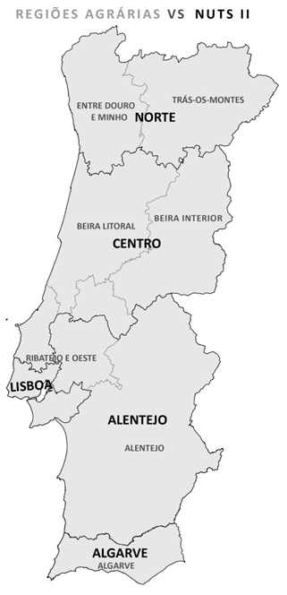
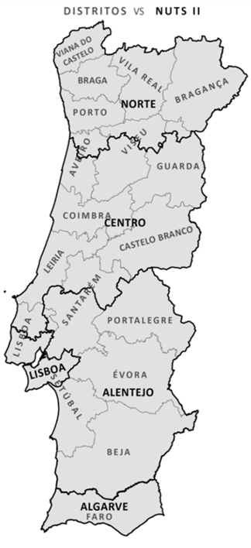
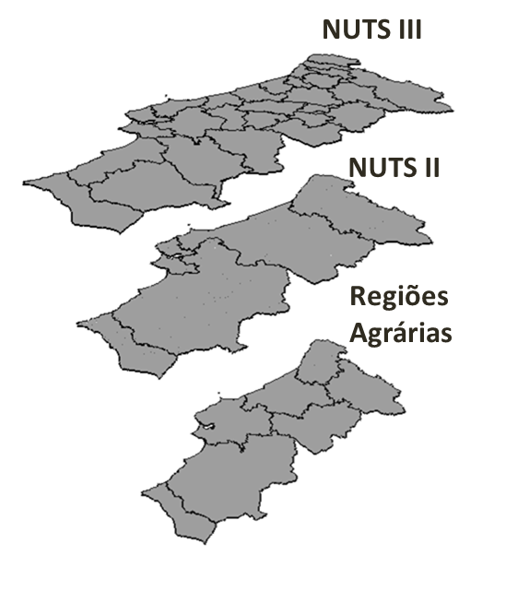

 | »Voltar

